User Guide


 |  | NEWFI WHOLESALE BUSINESS BANK STATEMENT WORKSHEET USER GUIDE |  |  |  |  | NEWFI WHOLESALE PERSONAL BANK STATEMENT WORKSHEET USER GUIDE
BLANK REPORTS
CREATE REPORTS
 |  |  |  |  | Split Day | 16

User Input Fields |  |  | Results and Calculated Fields |  |  |  | User Input Fields |  | Results and Calculated Fields
The below fields are required inputs from the user: |  |  | Results from user inputs will be provided in the following cells: |  |  |  | The below fields are required inputs from the user: |  | Results from user inputs will be provided in the following cells:

Under Income Analysis Method: |  |  | Under Income Analysis: |  |  |  | Under Borrower Details: |  | Under Income Analysis:
 | Use the dropdown menu to select one of the following options: |  |  | Total Of Gross Deposits |  |  |  | Borrower |  | Total Income over most recent 12 months:
 |  |  |  | Total Net Deposits |  |  |  | Financial Institution |  | Total Income over last 24 months:
 | Third Party P&L Statement |  |  | Total Expenses |  |  |  | Account Number |  | Max Income allowed:
 | Business Expense Statement Letter |  |  | Net Income |  |  |  | Broker/Company
 | 70% Fixed Expense Ratio |  |  | Total Net Expenses |  |  |  | Loan Officer | Final Results will be provided here:
 |  |  |  | Monthly Expense Ratio Earnings
 |  |  |  | Months Reviewed |  |  | Under the Monthly Gross Deposit Columns:
 | Each selection will display the required fields necessary for the calculations. |  |  | Monthly Net Income |  |  |  | The gross deposits applicable during each respective month/year.
 |  |  |  | Minimum Monthly Net Income
 |  |  |  | Net Deposits/Gross Receipts |  |  | Under Deposits to be Excluded:
Under Borrower Details: |  |  |  |  |  |  |  | Any deposits to be excluded from each applicable period.
 | Borrower: |  |  | Results for each field will vary. This is determined by the Income Analysis Method selected by the user.
 | Business/Entity Name: |  |  |  |  |  | Setting the date for Gross Deposits (Loan Officer Tab) |  | Setting the Review Period (Loan Officer Tab)
 | Financial Institution: |  | Final Results will be provided here: |  |  |  | Select a year from the dropdown menu located in the upper-leftmost year. |  | Select 12 Months or 24 Months from the dropdown menu in the upper left corner.

 | Account Number:
 | Broker/Company:
 | Loan Officer:
 | Underwriter (Internal Only):

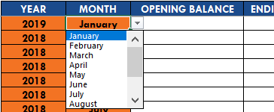
Under Business Information: |  |  | If the user has selected: Borrower Prepared P&L Statement:
 | Percentage of Ownership: |  |  | Please also describe the business and comment why the expense ratio is reasonable. |  |  | Select a month from the dropdown menu located in the upper-leftmost month.
 | End of Most Recent Statement:
 | Does the business pay employees/contractors:
 | Does the business sell goods or offer services:
 | Does the business rent space:
 | Annual Sales:
 | Total Number of Employees:

Under Gross Deposits:
 | Any gross deposits applicable during each respective month/year.
 |  |  |  |  |  |  | Dates for all other deposits will automatically be calculated.
Under Deposits to be Excluded:
 | Any deposits to be excluded during each respective month/year.

Setting the date for Gross Deposits
Select a year from the dropdown menu located in the upper-leftmost year.
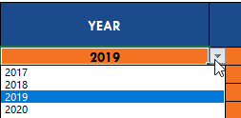

Select a month from the dropdown menu located in the upper-leftmost month.

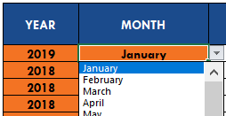

Dates for all other deposits will automatically be calculated.

